Thaler
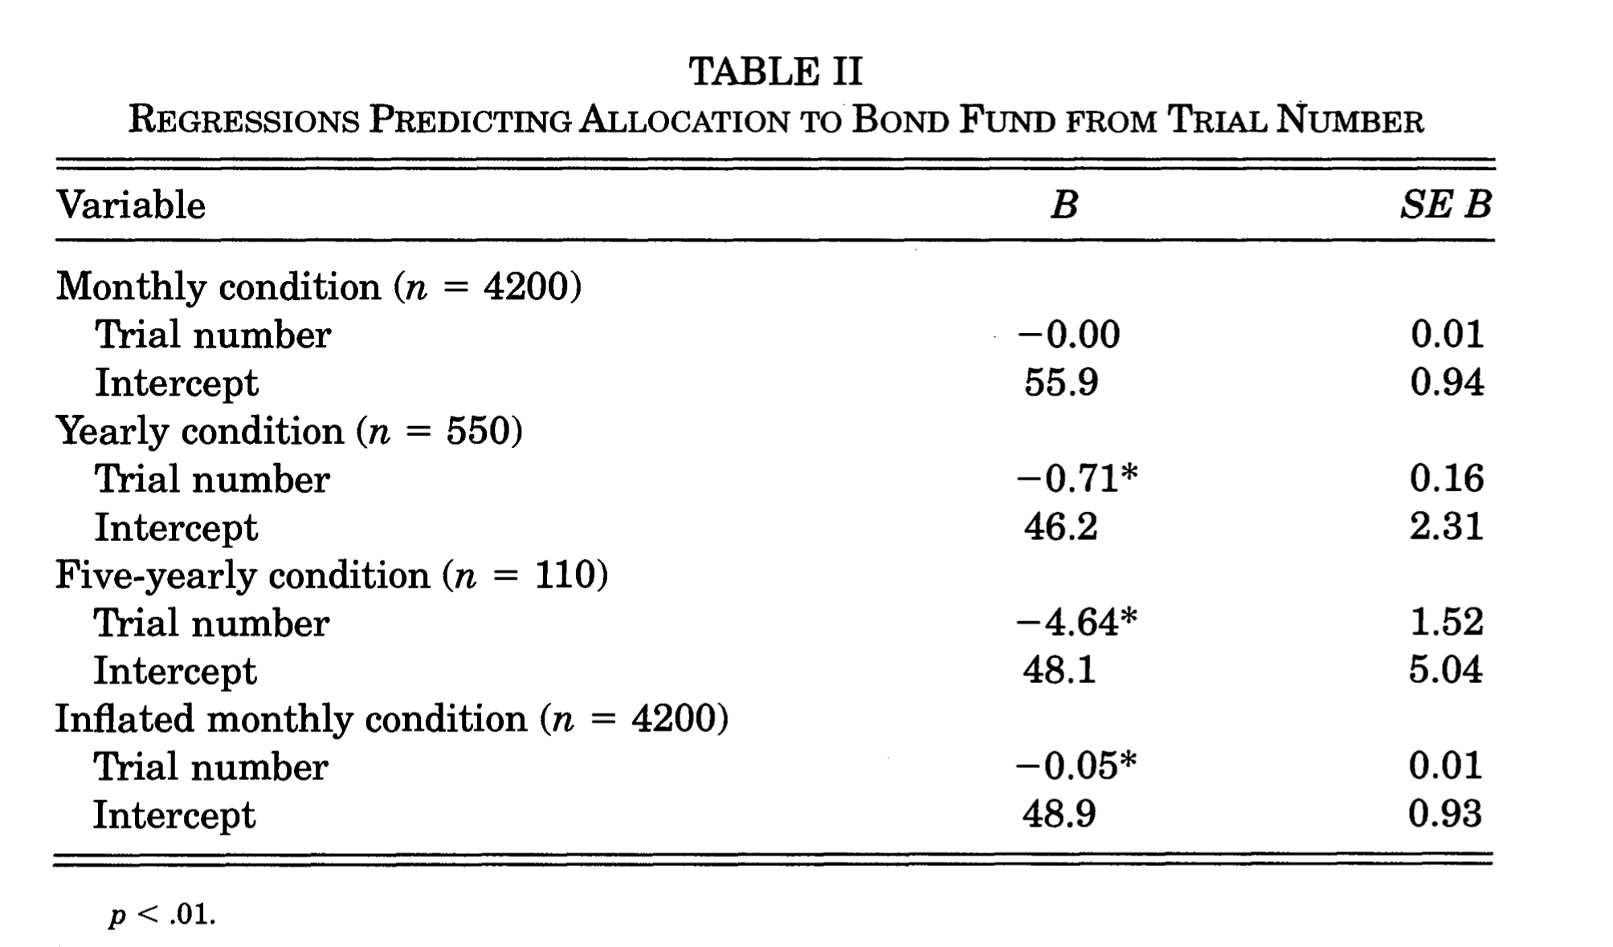

Variable |  | B | SE B

Monthly Condition (n = 4200)
 | Trial Number | -0.00 | .01
 | Intercept | 55.9 | .94

Yearly Condition (n = 550) |  | -0.71*** | 0.16
 | Trial Number | 46.2 | 2.31
 | Intercept

Yearly Condition (n = 110)
 | Trial Number | -4.64*** | 1.52
 | Intercept | 48.1 | 5.04

Inflated monthly condition (n = 4200)
 | Trial Number | -.05*** | .01
 | Intercept | 48.9 | .93

